Task1 Visualization
Data Visualization

You may go through the data sets shared with you. You are required to come up with a nice data visualization.

Please that note that this is work performance and happiness data of a team. You may have to spend some time to understand what the data is. The Google Sheet is purposefully designed to NOT be intuitive so to assess your comprehension capabilities and the ability to deal with chaotic data.

DeepThought is a CultureTech startup and we are at the beginning of a SaaS solution for culture building. Most of our models are still a work in progress. The DT Behavioral Data Scientist deal with a lot of chaotic data as a part of daily operations.

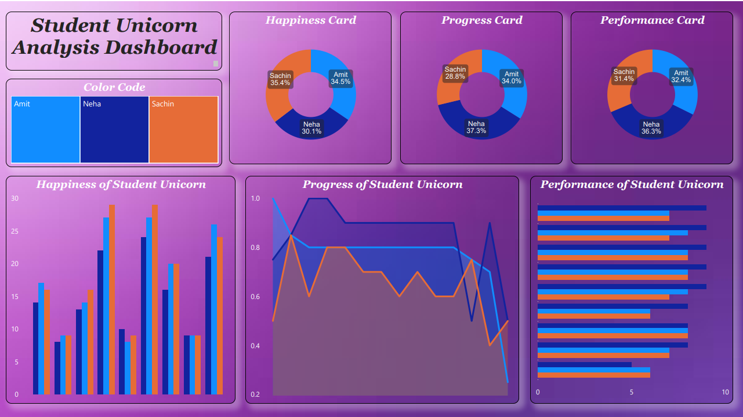
How to submit
You can share the link to your Excel/PowerBI/Tableau file which has the visualization of your data : https://app.powerbi.com/links/bYafAOE9oT?ctid=88f39ece-f108-49cf-97b6-f4ae2d89ba76&pbi_source=linkShare
You can also copy paste screenshots here

Learning Material:
You may go through this link to understand how to go about data visualization.
https://www.forbes.com/sites/forbestechcouncil/2023/01/04/five-key-commandments-of-data-visualization/

